Design Process
Designing the End-to-End Process of Deployment and Release

Q1 | Answer
Informasi yang dikumpulkan sebelum melakukan proses desain | 1. Release Requirements: untuk memahami persyaratan spesifik untuk setiap rilis, termasuk fitur, perbaikan bug, dan penyempurnaan atau tambahan fitur. 2. Technical Environtments: untuk mengidentifikasi lingkungan (environment) penerapan target, termasuk server, database, dan platform. 3. Testing Artifacts: Mengumpulkan testing artifacts yaitu test cases, test results, dan test environments. 4. Release Schedule: untuk menentukan timeline perilisan, termasuk timeline deployment dan back-up timeline jika terdapat kendala.
Q2 | Answer
Stakeholder yang terlibat dalam penyusunan flow rilis | 1. Development Team: untuk menyiapkan artifacts yang akan di rilis. 2. QA Team: untuk memastikan semua fase testing seperti SIT, UAT atau Regression Testing telah berhasil diselesaikan. 3. Business Analyst: untuk memverifikasi persyaratan rilis. 4. Operations Team: untuk mengelola dan memantau lingkungan produksi dan deployment. 5. Project Manager: untuk memastikan proses deployment dan rilis sesuai dengan tujuan dan jadwal secara keseluruhan.
Q3 | Answer
Tahapan yang dilakukan setelah informasi terkait terkumpul | 1. Release Planning yaitu menentukan scope dan konten dari perilisan. 2. Melakukan beberapa testing yang perlu dilakukan seperti, SIT, UAT ataupun Regression Testing. 3. Tim Development membuat deployment package seperti kode yang telah di testing dan dikompilasi, file konfigurasi dan keperluan deployment lainnya. 4. Melakukan verifikasi Pre-Deployment untuk memastikan environment telah siap. 5. Deploy release ke staging environment. 6. Memverifikasi release dan mendapatkan persetujuan untuk deploy product. 7. Deploy product menuju production environment. 8. Melakukan monitoring production environment post-deployment.
Q4 | Answer
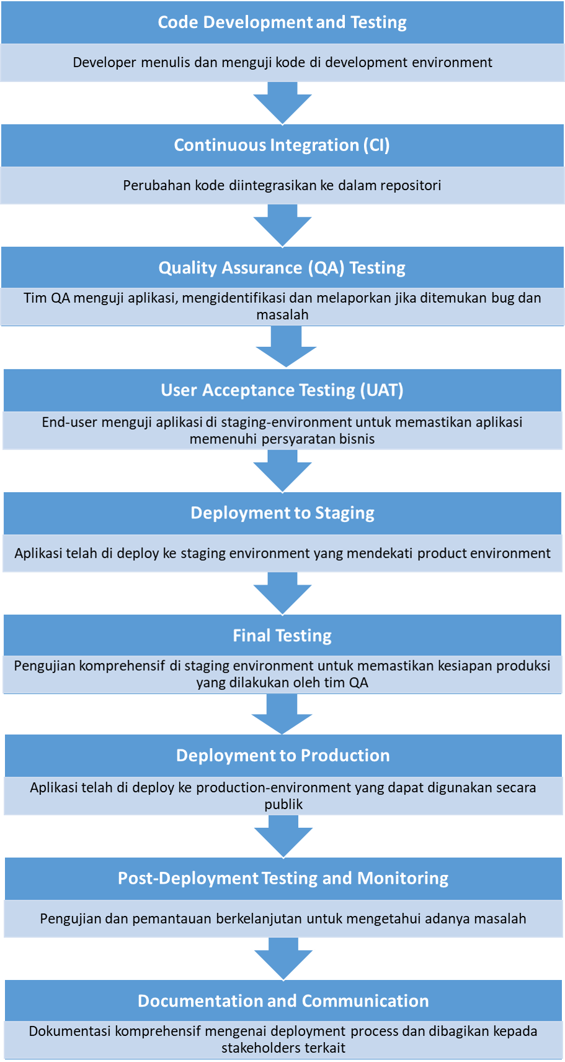
Gambarkan flow process berserta penjelasan singkat tiap langkahnya

Q5 | Answer
Informasi tambahan atau asumsi yang dipergunakan dalam penyusunan proses | 1. Back-up dan Roll-back Plan telah tersedia jika nanti terdapat masalah dalam penerapan. 2. Stakeholders dan anggota tim mengetahui jadwal dan proses penerapan. 3. Semua testing environment telah disiapkan dan tersedia untuk tujuan testing QA.

